Instructions on Address Mapping
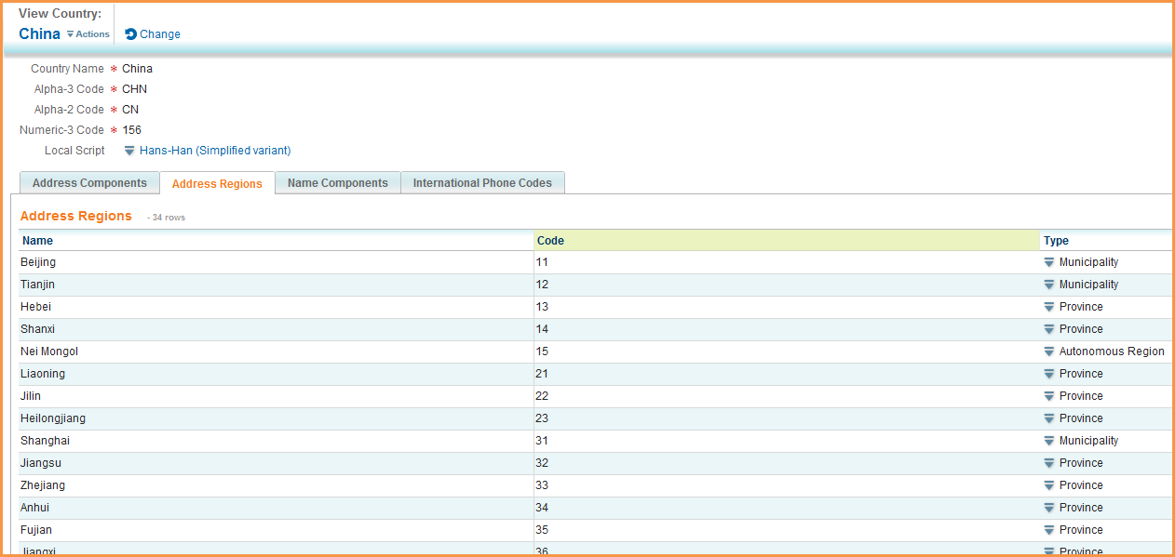
Step 1: | Search on country and click on country

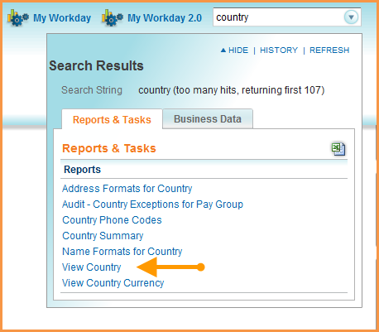

Step 2: | Type or choose the country you are looking for:

Step 3: | The first tab "Address Component" shows you what is required:

Step 4: | The "Address Region s" tab lists the valid region name.

